CC GP
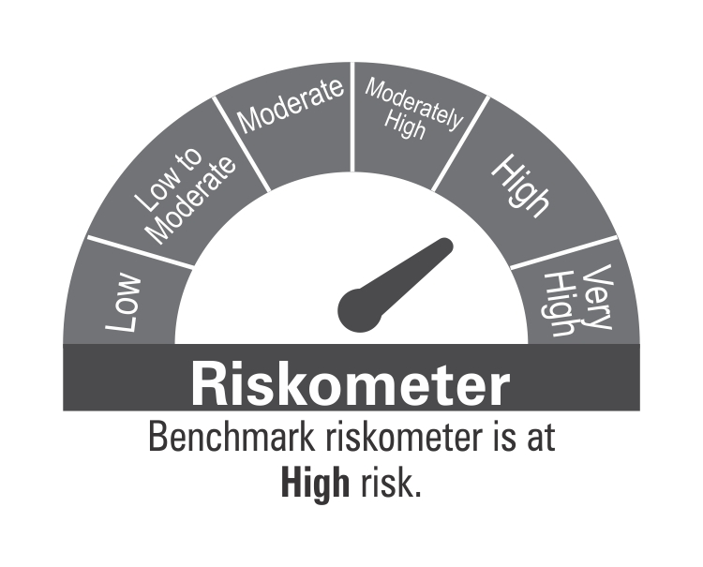
ICICI Prudential Mutual Fund
ICICI Prudential Child Care Fund (Gift Plan)
Portfolio as on Oct 31,2024
Company/Issuer/Instrument Name | ISIN | Coupon | Industry/Rating | Quantity | Exposure/Market Value(Rs.Lakh) | % to Nav | Yield of the instrument | Yield to Call @
Equity & Equity Related Instruments |  |  |  |  | 109165.01 | 83.02%

Listed / Awaiting Listing On Stock Exchanges |  |  |  |  | 109165.01 | 83.02%
Bharti Airtel Ltd. | INE397D01024 |  | Telecom - Services | 533757 | 8607.37 | 6.55%
Ultratech Cement Ltd. | INE481G01011 |  | Cement & Cement Products | 66700 | 7380.79 | 5.61%
Interglobe Aviation Ltd. | INE646L01027 |  | Transport Services | 147633 | 5982.83 | 4.55%
JSW Steel Ltd. | INE019A01038 |  | Ferrous Metals | 409287 | 3944.09 | 3.00%
Ambuja Cements Ltd. | INE079A01024 |  | Cement & Cement Products | 613000 | 3558.77 | 2.71%
Jindal Stainless Ltd. | INE220G01021 |  | Ferrous Metals | 482802 | 3260.36 | 2.48%
Larsen & Toubro Ltd. | INE018A01030 |  | Construction | 86500 | 3133.29 | 2.38%
Tech Mahindra Ltd. | INE669C01036 |  | It - Software | 190552 | 3065.31 | 2.33%
Mahindra & Mahindra Ltd. | INE101A01026 |  | Automobiles | 110000 | 3001.41 | 2.28%
Hindustan Aeronautics Ltd. | INE066F01020 |  | Aerospace & Defense | 70000 | 2972.69 | 2.26%
Tata Motors Ltd. | INE155A01022 |  | Automobiles | 336998 | 2810.73 | 2.14%
Adani Ports and Special Economic Zone Ltd. | INE742F01042 |  | Transport Infrastructure | 200000 | 2751.90 | 2.09%
Jio Financial Services Ltd | INE758E01017 |  | Finance | 850000 | 2739.55 | 2.08%
Multi Commodity Exchange Of India Ltd. | INE745G01035 |  | Capital Markets | 41446 | 2700.58 | 2.05%
Hindalco Industries Ltd. | INE038A01020 |  | Non - Ferrous Metals | 377186 | 2587.68 | 1.97%
Wipro Ltd. | INE075A01022 |  | It - Software | 468167 | 2583.35 | 1.96%
Maruti Suzuki India Ltd. | INE585B01010 |  | Automobiles | 23002 | 2547.81 | 1.94%
Muthoot Finance Ltd. | INE414G01012 |  | Finance | 130735 | 2523.77 | 1.92%
The Phoenix Mills Ltd. | INE211B01039 |  | Realty | 160000 | 2435.44 | 1.85%
Godrej Properties Ltd. | INE484J01027 |  | Realty | 72878 | 2095.75 | 1.59%
RHI Magnesita India ltd | INE743M01012 |  | Industrial Products | 322823 | 1914.02 | 1.46%
UPL Ltd. | INE628A01036 |  | Fertilizers & Agrochemicals | 343200 | 1900.13 | 1.45%
Siemens Ltd. | INE003A01024 |  | Electrical Equipment | 26800 | 1869.65 | 1.42%
Info Edge (India) Ltd. | INE663F01024 |  | Retailing | 25000 | 1860.24 | 1.41%
Usha Martin Ltd. | INE228A01035 |  | Industrial Products | 436227 | 1853.53 | 1.41%
Titan Company Ltd. | INE280A01028 |  | Consumer Durables | 47826 | 1562.50 | 1.19%
Eicher Motors Ltd. | INE066A01021 |  | Automobiles | 31300 | 1532.03 | 1.17%
ICICI Prudential Life Insurance Company Ltd. | INE726G01019 |  | Insurance | 192020 | 1422.87 | 1.08%
AIA Engineering Ltd. | INE212H01026 |  | Industrial Products | 36457 | 1392.57 | 1.06%
Gland Pharma Ltd. | INE068V01023 |  | Pharmaceuticals & Biotechnology | 82941 | 1369.44 | 1.04%
Tata Steel Ltd. | INE081A01020 |  | Ferrous Metals | 851000 | 1264.25 | 0.96%
SRF Ltd. | INE647A01010 |  | Chemicals & Petrochemicals | 54557 | 1223.80 | 0.93%
DLF Ltd. | INE271C01023 |  | Realty | 140451 | 1151.49 | 0.88%
Hero Motocorp Ltd. | INE158A01026 |  | Automobiles | 23073 | 1151.24 | 0.88%
Axis Bank Ltd. | INE238A01034 |  | Banks | 96500 | 1118.97 | 0.85%
BEML Ltd. | INE258A01016 |  | Agricultural, Commercial & Construction Vehicles | 27102 | 1103.47 | 0.84%
Cummins India Ltd. | INE298A01020 |  | Industrial Products | 31364 | 1097.93 | 0.84%
Bharat Forge Ltd. | INE465A01025 |  | Auto Components | 76461 | 1078.21 | 0.82%
Vedanta Ltd. | INE205A01025 |  | Diversified Metals | 230000 | 1067.32 | 0.81%
TVS Motor Company Ltd. | INE494B01023 |  | Automobiles | 40000 | 997.48 | 0.76%
Pidilite Industries Ltd. | INE318A01026 |  | Chemicals & Petrochemicals | 30000 | 943.76 | 0.72%
Bharat Electronics Ltd. | INE263A01024 |  | Aerospace & Defense | 322176 | 917.88 | 0.70%
National Aluminium Company Ltd. | INE139A01034 |  | Non - Ferrous Metals | 400000 | 909.28 | 0.69%
NMDC Steel Ltd. | INE0NNS01018 |  | Ferrous Metals | 1602262 | 760.91 | 0.58%
APL Apollo Tubes Ltd. | INE702C01027 |  | Industrial Products | 50000 | 760.23 | 0.58%
Rategain Travel Technologies Ltd. | INE0CLI01024 |  | It - Software | 100000 | 752.50 | 0.57%
Vardhman Textiles Ltd. | INE825A01020 |  | Textiles & Apparels | 155343 | 730.03 | 0.56%
Mangalore Refinery and Petrochemicals Ltd. | INE103A01014 |  | Petroleum Products | 482000 | 712.20 | 0.54%
PI Industries Ltd. | INE603J01030 |  | Fertilizers & Agrochemicals | 15000 | 673.28 | 0.51%
NCC Ltd. | INE868B01028 |  | Construction | 207390 | 619.68 | 0.47%
Bharti Airtel Ltd. - Partly Paid Share | IN9397D01014 |  | Telecom - Services | 49220 | 593.89 | 0.45%
Zee Entertainment Enterprises Ltd. | INE256A01028 |  | Entertainment | 479695 | 585.95 | 0.45%
Power Finance Corporation Ltd. | INE134E01011 |  | Finance | 100000 | 454.95 | 0.35%
Samvardhana Motherson International Ltd. | INE775A01035 |  | Auto Components | 200000 | 361.90 | 0.28%
Jindal Steel & Power Ltd. | INE749A01030 |  | Ferrous Metals | 35000 | 322.18 | 0.25%
Apar Industries Ltd. | INE372A01015 |  | Electrical Equipment | 1673 | 168.34 | 0.13%
Life Insurance Corporation of India | INE0J1Y01017 |  | Insurance | 15419 | 142.33 | 0.11%
Torrent Power Ltd. | INE813H01021 |  | Power | 4298 | 78.30 | 0.06%
The Karnataka Bank Ltd. | INE614B01018 |  | Banks | 23000 | 49.92 | 0.04%
KSB Ltd. | INE999A01023 |  | Industrial Products | 1610 | 12.89 | 0.01%

Unlisted |  |  |  |  | Nil | Nil

Debt Instruments |  |  |  |  | 16710.89 | 12.71%

Listed / Awaiting Listing On Stock Exchanges |  |  |  |  | 16710.89 | 12.71%

Government Securities |  |  |  |  | 11048.10 | 8.40%
Government Securities | IN0020210137 | 7.53 | SOV | 5866260 | 5930.76 | 4.51% | 7.51
Government Securities | IN0020230085 | 7.18 | SOV | 3500000 | 3573.41 | 2.72% | 6.97
Government Securities | IN0020200120 | 7.93 | SOV | 1500000 | 1543.93 | 1.17% | 7.61

Non-Convertible debentures / Bonds |  |  |  |  | 5662.79 | 4.31%
Avanse Financial Services Ltd ** | INE087P07204 | 10.25 | CARE AA- | 250 | 2503.71 | 1.90% | 8.73
Muthoot Finance Ltd. ** | INE414G07IR6 | 8.78 | CRISIL AA+ | 1500 | 1500.78 | 1.14% | 8.72
Yes Bank Ltd. ** | INE528G08345 | 8 | ICRA A | 86 | 840.41 | 0.64% | 9.34
Godrej Industries Ltd. ** | INE233A08097 | 7.17 | CRISIL AA+ | 50 | 497.12 | 0.38% | 8.04
LIC Housing Finance Ltd. ** | INE115A07HX2 | 8.5 | CRISIL AAA | 20 | 201.06 | 0.15% | 7.71
Yes Bank Ltd. ** | INE528G08279 | 8.85 | ICRA A | 12 | 119.71 | 0.09% | 9.10

Securitized Debt Instruments |  |  |  |  | Nil | Nil

Term Deposits |  |  |  |  | Nil | Nil

Deposits (maturity not exceeding 91 days) |  |  |  |  | Nil | Nil

Deposits (Placed as Margin) |  |  |  |  | Nil | Nil

Money Market Instruments |  |  |  |  | 2477.50 | 1.88%

Certificate of Deposits |  |  |  |  | Nil | Nil

Commercial Papers |  |  |  |  | 2477.50 | 1.88%
Sharekhan Ltd ** | INE211H14732 |  | ICRA A1+ | 500 | 2477.50 | 1.88% | 8.50

Treasury Bills |  |  |  |  | Nil | Nil

Units of Real Estate Investment Trust (REITs) |  |  |  |  | Nil | Nil

Units of an Alternative Investment Fund (AIF) |  |  |  |  | Nil | Nil

TREPS |  |  |  |  | 2935.00 | 2.23%

Net Current Assets |  |  |  |  | 196.27 | 0.15%
Total Net Assets |  |  |  |  | 131484.67 | 100.00%

Non-Convertible debentures / Bonds & Zero Coupon Bonds / Deep Discount Bonds / Certificate of Deposits / Commercial Papers are considered as Traded based on the information provided by external agencies.
** Non Traded / Illiquid Securities.
For the Instrument/security whose final ISIN is yet to be assigned, disclosure of ISIN has been made as per the details provided by external agencies.
@ As per AMFI Best Practices Guidelines Circular No. 91/ 2020 - 21 dated March 24, 2021 on Valuation of AT-1 Bonds and Tier 2 Bonds, Yield to call is disclosed for AT-1 Bonds and Tier 2 Bonds issued by Banks as provided by Valuation agencies.
For Instances of Deviation In valuation Of Securities as per SEBI master circular ref no SEBI/HO/IMD/IMD-PoD-1/P/CIR/2023/74 dated May 19, 2023.Refer link: https://www.icicipruamc.com/statutory-disclosures/deviation-in-valuation-of-securities
As per AMFI Best Practices Guidelines Circular No. AMFI/ 35P/ MEM-COR/ 72 / 2022-23 dated December 31, 2022 on Standard format for disclosure Portfolio YTM for Debt Schemes, Yield of the instrument is disclosed on annualized basis as provided by Valuation agencies.

Scheme Riskometer



Benchmark Riskometer
Benchmark name - NIFTY 50 Hybrid Composite Debt 65:35 Index

